Daily Power Station Chart_14-01
Plant_14/01/2025Chart

Plant:odco1 |  |  | Installed Capacity:111.180kWp
Today Yield(kWh):337.200kWh |  | Today Earning:134880.000TND |  | Today Full Load Hours(h):3.03h

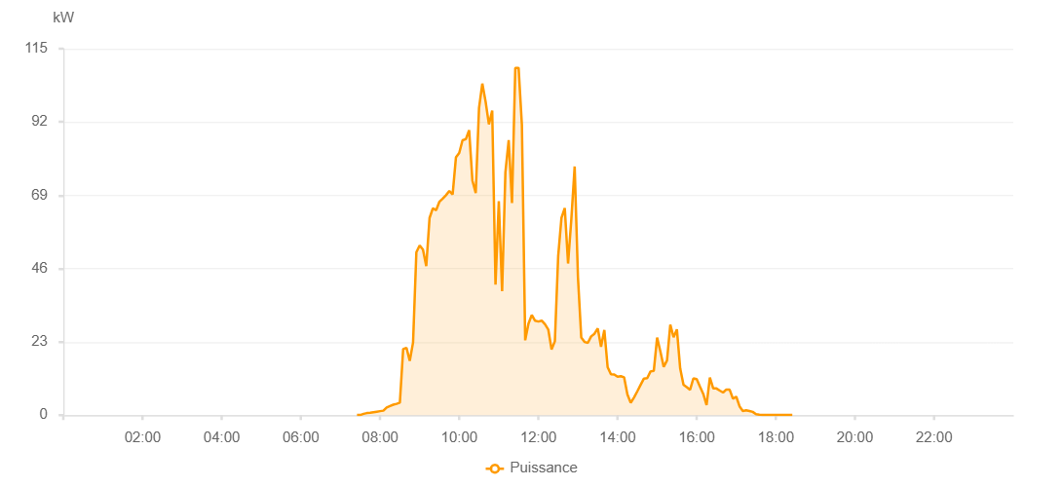

Number | Time | Working State | PV(W) | Instantaneous Radiation(W/㎡)
1 | 07:25:00 | Online | 40.00000 | 0
2 | 07:30:00 | Online | 40.00000 | 0
3 | 07:35:00 | Online | 410.00000 | 0
4 | 07:40:00 | Online | 660.00000 | 3.00000
5 | 07:45:00 | Online | 760.00000 | 5.00000
6 | 07:50:00 | Online | 930.00000 | 7.00000
7 | 07:55:00 | Online | 1100.00000 | 11.00000
8 | 08:00:00 | Online | 1260.00000 | 12.00000
9 | 08:05:00 | Online | 1410.00000 | 15.00000
10 | 08:10:00 | Online | 2430.00000 | 18.00000
11 | 08:15:00 | Online | 2870.00000 | 20.00000
12 | 08:20:00 | Online | 3280.00000 | 27.00000
13 | 08:25:00 | Online | 3550.00000 | 28.00000
14 | 08:30:00 | Online | 3950.00000 | 34.00000
15 | 08:35:00 | Online | 20730.00000 | 43.00000
16 | 08:40:00 | Online | 21150.00000 | 343.00000
17 | 08:45:00 | Online | 17030.00000 | 322.00000
18 | 08:50:00 | Online | 22810.00000 | 272.00000
19 | 08:55:00 | Online | 51100.00000 | 413.00000
20 | 09:00:00 | Online | 53260.00000 | 478.00000
21 | 09:05:00 | Online | 51930.00000 | 508.00000
22 | 09:10:00 | Online | 46770.00000 | 456.00000
23 | 09:15:00 | Online | 61900.00000 | 469.00000
24 | 09:20:00 | Online | 64940.00000 | 568.00000
25 | 09:25:00 | Online | 64320.00000 | 595.00000
26 | 09:30:00 | Online | 66990.00000 | 597.00000
27 | 09:35:00 | Online | 67970.00000 | 632.00000
28 | 09:40:00 | Online | 69040.00000 | 650.00000
29 | 09:45:00 | Online | 70360.00000 | 669.00000
30 | 09:50:00 | Online | 69240.00000 | 711.00000
31 | 09:55:00 | Online | 80890.00000 | 756.00000
32 | 10:00:00 | Online | 82300.00000 | 349.00000
33 | 10:05:00 | Online | 86260.00000 | 741.00000
34 | 10:10:00 | Online | 86610.00000 | 759.00000
35 | 10:15:00 | Online | 89420.00000 | 765.00000
36 | 10:20:00 | Online | 73600.00000 | 808.00000
37 | 10:25:00 | Online | 69730.00000 | 520.00000
38 | 10:30:00 | Online | 96360.00000 | 563.00000
39 | 10:35:00 | Online | 104050.00000 | 930.00000
40 | 10:40:00 | Online | 98380.00000 | 905.00000
41 | 10:45:00 | Online | 91260.00000 | 689.00000
42 | 10:50:00 | Online | 95570.00000 | 748.00000
43 | 10:55:00 | Online | 40960.00000 | 724.00000
44 | 11:00:00 | Online | 67170.00000 | 302.00000
45 | 11:05:00 | Online | 38890.00000 | 846.00000
46 | 11:10:00 | Online | 76240.00000 | 485.00000
47 | 11:15:00 | Online | 86290.00000 | 754.00000
48 | 11:20:00 | Online | 66590.00000 | 954.00000
49 | 11:25:00 | Online | 108960.00000 | 860.00000
50 | 11:30:00 | Online | 108990.00000 | 1082.00000
51 | 11:35:00 | Online | 91080.00000 | 1125.00000
52 | 11:40:00 | Online | 23500.00000 | 1015.00000
53 | 11:45:00 | Online | 28720.00000 | 199.00000
54 | 11:50:00 | Online | 31440.00000 | 255.00000
55 | 11:55:00 | Online | 29630.00000 | 265.00000
56 | 12:00:00 | Online | 29380.00000 | 255.00000
57 | 12:05:00 | Online | 29670.00000 | 245.00000
58 | 12:10:00 | Online | 28540.00000 | 247.00000
59 | 12:15:00 | Online | 26880.00000 | 231.00000
60 | 12:20:00 | Online | 20620.00000 | 197.00000
61 | 12:25:00 | Online | 23200.00000 | 168.00000
62 | 12:30:00 | Online | 49840.00000 | 221.00000
63 | 12:35:00 | Online | 61960.00000 | 706.00000
64 | 12:40:00 | Online | 64980.00000 | 848.00000
65 | 12:45:00 | Online | 47590.00000 | 745.00000
66 | 12:50:00 | Online | 61640.00000 | 700.00000
67 | 12:55:00 | Online | 78040.00000 | 563.00000
68 | 13:00:00 | Online | 43290.00000 | 471.00000
69 | 13:05:00 | Online | 24370.00000 | 278.00000
70 | 13:10:00 | Online | 22970.00000 | 183.00000
71 | 13:15:00 | Online | 22710.00000 | 174.00000
72 | 13:20:00 | Online | 24720.00000 | 178.00000
73 | 13:25:00 | Online | 25540.00000 | 216.00000
74 | 13:30:00 | Online | 27240.00000 | 215.00000
75 | 13:35:00 | Online | 21450.00000 | 213.00000
76 | 13:40:00 | Online | 26720.00000 | 187.00000
77 | 13:45:00 | Online | 15050.00000 | 197.00000
78 | 13:50:00 | Online | 12820.00000 | 121.00000
79 | 13:55:00 | Online | 12760.00000 | 111.00000
80 | 14:00:00 | Online | 12060.00000 | 104.00000
81 | 14:05:00 | Online | 12230.00000 | 98.00000
82 | 14:10:00 | Online | 11870.00000 | 114.00000
83 | 14:15:00 | Online | 6480.00000 | 92.00000
84 | 14:20:00 | Online | 3900.00000 | 47.00000
85 | 14:25:00 | Online | 5540.00000 | 36.00000
86 | 14:30:00 | Online | 7500.00000 | 47.00000
87 | 14:35:00 | Online | 9490.00000 | 70.00000
88 | 14:40:00 | Online | 11480.00000 | 87.00000
89 | 14:45:00 | Online | 11600.00000 | 120.00000
90 | 14:50:00 | Online | 13710.00000 | 111.00000
91 | 14:55:00 | Online | 13910.00000 | 152.00000
92 | 15:00:00 | Online | 24360.00000 | 112.00000
93 | 15:05:00 | Online | 19920.00000 | 208.00000
94 | 15:10:00 | Online | 15170.00000 | 134.00000
95 | 15:15:00 | Online | 17160.00000 | 126.00000
96 | 15:20:00 | Online | 28420.00000 | 169.00000
97 | 15:25:00 | Online | 24440.00000 | 378.00000
98 | 15:30:00 | Online | 26940.00000 | 177.00000
99 | 15:35:00 | Online | 14650.00000 | 254.00000
100 | 15:40:00 | Online | 9560.00000 | 117.00000
101 | 15:45:00 | Online | 8790.00000 | 82.00000
102 | 15:50:00 | Online | 7960.00000 | 68.00000
103 | 15:55:00 | Online | 11540.00000 | 50.00000
104 | 16:00:00 | Online | 11330.00000 | 98.00000
105 | 16:05:00 | Online | 8910.00000 | 94.00000
106 | 16:10:00 | Online | 6670.00000 | 71.00000
107 | 16:15:00 | Fault | 3160.00000 | 56.00000
108 | 16:20:00 | Online | 11780.00000 | 87.00000
109 | 16:25:00 | Online | 8440.00000 | 88.00000
110 | 16:30:00 | Online | 8370.00000 | 66.00000
111 | 16:35:00 | Online | 7730.00000 | 50.00000
112 | 16:40:00 | Online | 7120.00000 | 49.00000
113 | 16:45:00 | Online | 8050.00000 | 47.00000
114 | 16:50:00 | Online | 8000.00000 | 48.00000
115 | 16:55:00 | Online | 5150.00000 | 49.00000
116 | 17:00:00 | Online | 5800.00000 | 32.00000
117 | 17:05:00 | Online | 2760.00000 | 27.00000
118 | 17:10:00 | Online | 1330.00000 | 15.00000
119 | 17:15:00 | Online | 1500.00000 | 7.00000
120 | 17:20:00 | Online | 1310.00000 | 10.00000
121 | 17:25:00 | Online | 1030.00000 | 7.00000
122 | 17:30:00 | Online | 320.00000 | 4.00000
123 | 17:35:00 | Online | 150.00000 | 1.00000
124 | 17:40:00 | Online | 100.00000 | 1.00000
125 | 17:45:00 | Online | 70.00000 | 0
126 | 17:50:00 | Online | 40.00000 | 0
127 | 17:55:00 | Online | 40.00000 | 0
128 | 18:00:00 | Online | 40.00000 | 0
129 | 18:05:00 | Online | 40.00000 | 0
130 | 18:10:00 | Online | 40.00000 | 0
131 | 18:15:00 | Online | 40.00000 | 0
132 | 18:20:00 | Online | 40.00000 | 0
133 | 18:25:00 | Online | 40.00000 | 0
134 | 18:50:00 | Online | 0.00001 | 0.00001

